Sheet1
SKU | Name | Brand | Casepack | Total Available | UPC | Picture | MSRP | MSRP Value | Item Location | Retail Link
BANIXXMPN-0MKKQ | Animal Crossing Backpack: KK Slider Quilted | Nintendo | N/A | 2,420 | 810032806286 |  | $19.99 | $48,375.80 | LONG BEACH CA | link
BANIXXMPN-0MABF | Animal Crossing - Able Sisters Floral | Nintendo | N/A | 5,288 | 810032807221 | 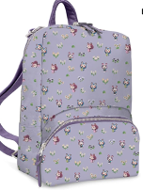 | $19.99 | $105,707.12 | LONG BEACH CA | link
BANIXXMPN-0MCMW | Animal Crossing - Cat's Meow - Nintendo | Nintendo | N/A | 3,516 | 810032807160 | 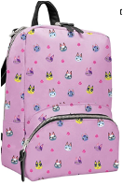 | $19.99 | $70,284.84 | LONG BEACH CA | link
BANIXXMPN-0MNKQ | Animal Crossing Backpack: Tom Nook Quilt | Nintendo | N/A | 414 | 810032805074 | 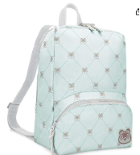 | $19.99 | $8,275.86 | LONG BEACH CA | link
BANIXXMPN-0MACL | Teal Leaves Backpack | Nintendo | N/A | 24 | 810032805067 | 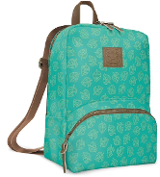 | $19.99 | $479.76 | LONG BEACH CA | link
BANIXXMPN-0MABL | Bellionaire Backpack | Nintendo | N/A | 200 | 810032806835 | 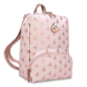 | $19.99 | $3,998.00 | LONG BEACH CA | link
BANIXXMPN-0M3DW | Mario 3D World Catsuits Nintendo Switch | Nintendo | N/A | 528 | 810032808167 | 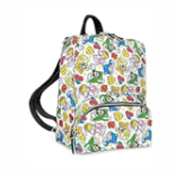 | $19.99 | $10,554.72 | LONG BEACH CA | link
BANIXXMPN-0MAC4 | Outdoor Pattern Backpack | Nintendo | N/A | 500 | 810032806279 | 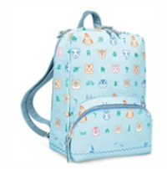 | $19.99 | $9,995.00 | LONG BEACH CA | link
BANIXXMPN-0MAFI | Fruit Icons Backpack | Nintendo | N/A | 496 | 810032805104 | 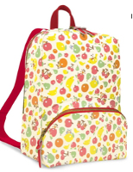 | $19.99 | $9,915.04 | LONG BEACH CA | link
BANIXXMPL-0MNWH | Animal Crossing - New Year, New Horizons | Nintendo | N/A | 536 | 810032809591 | 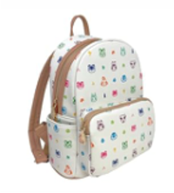 | $19.99 | $10,714.64 | LONG BEACH CA | link
BANIXXMPN-0MMPL | Mario Plaid Backpack | Nintendo | N/A | 1,863 | 810032805081 | 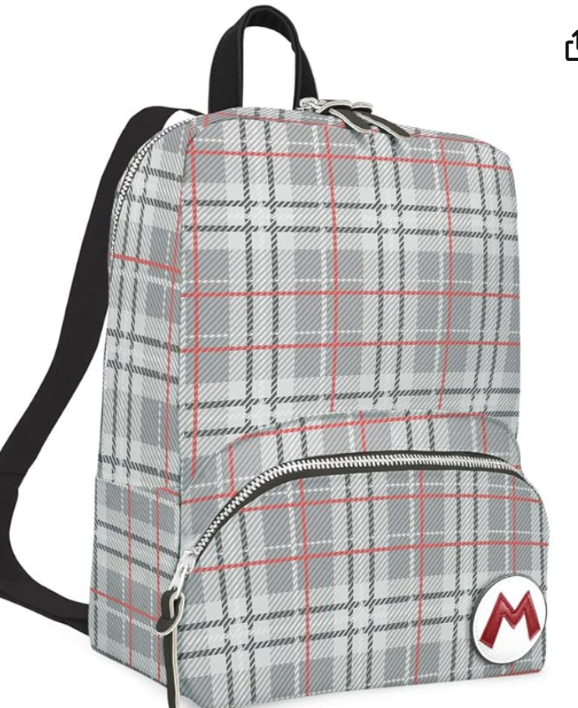 | $19.99 | $37,241.37 | LONG BEACH CA | link
HWNIXXBEA-0MCLF | Animal Crossing Beanie: Celeste Floral | Nintendo | N/A | 2,300 | 810032807634 | 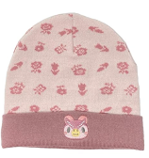 | $9.99 | $22,977.00 | LONG BEACH CA | link
BENIASST-TGT-MA | Animal Crossing Fur Pom Beanie | Nintendo | N/A | 7,488 | 810032809898 | 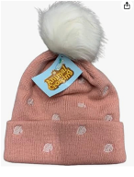 | $9.99 | $74,805.12 | LONG BEACH CA | link
HWNIXXBEA-0MACT | Animal Crossing Beanie: Tom Nook | Nintendo | N/A | 500 | 810032802783 | 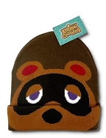 | $9.99 | $4,995.00 | LONG BEACH CA | link
HWNIXXCBB-0MACI | Animal Crossing Hat: Isabelle International | Nintendo | N/A | 875 | 810032802820 | 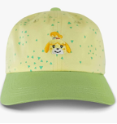 | $14.99 | $13,116.25 | LONG BEACH CA | link
HWNIXXCBB-0MNK1 | Animal Crossing Hat: Tom Nook International | Nintendo | N/A | 775 | 810032803872 | 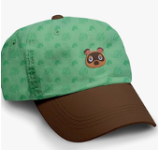 | $14.99 | $11,617.25 | LONG BEACH CA | link
ASMH0026UI | Zelda Dad Hat Assortment (each) | Nintendo | N/A | 1,650 | #N/A | 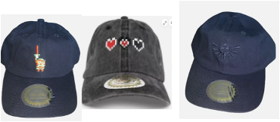 | $14.99 | $24,733.50 | LONG BEACH CA
HWNIXXCBB-0MKK1 | Animal Crossing Hat: KK Slider International | Nintendo | N/A | 1,100 | 810032803865 | 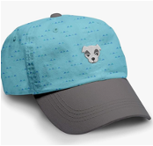 | $14.99 | $16,489.00 | LONG BEACH CA | link
ASMH0026UI-2 | Animal Crossing Dad Hat Assortment (each) | Nintendo | N/A | 3,650 | #N/A | 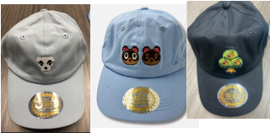 | $14.99 | $54,713.50 | LONG BEACH CA
STNIXXLBQ-0MATI | Animal Crossing Journal: Teal Icons | Nintendo | N/A | 1,200 | 810032802806 | 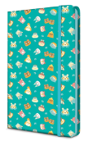 | $9.99 | $11,988.00 | LONG BEACH CA | link
STNIXXLBQ-0MACL | Animal Crossing Journal: Teal Leaf Pattern | Nintendo | N/A | 1,992 | 810032805388 | 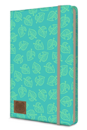 | $9.99 | $19,900.08 | LONG BEACH CA | link
STNIXXLBQ-0MCMW | Cat's Meow Journal | Nintendo | N/A | 8,808 | 810032807146 | 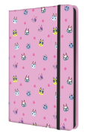 | $9.99 | $87,991.92 | LONG BEACH CA | link
STNIXXLBQ-0MABF | Able Sisters Floral Journal | Nintendo | N/A | 10,056 | 810032807191 | 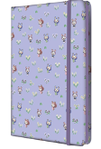 | $9.99 | $100,459.44 | LONG BEACH CA | link
STNIXXLBQ-0MACT | Animal Crossing Journal: Tom Nook Quilted | Nintendo | N/A | 240 | 810032805395 | 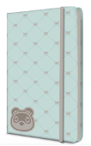 | $9.99 | $2,397.60 | LONG BEACH CA | link
STNIXXLBQ-0MISI | Animal Crossing Journal: Island Idols | Nintendo | N/A | 144 | 810032809393 | 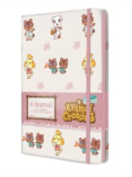 | $9.99 | $1,438.56 | LONG BEACH CA | link
AANIXXKCE-0MACT | Animal Crossing Keychain: Tom Nook | Nintendo | N/A | 20 | 810032802028 | 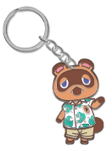 | $3.99 | $79.80 | LONG BEACH CA | link
AANIXXKCE-0MACK | Animal Crossing Keychain: KK Slider | Nintendo | N/A | 16 | 810032802011 |  | $3.99 | $63.84 | LONG BEACH CA | link
AANIXXKCE-0MACI | Animal Crossing Keychain: Isabelle | Nintendo | N/A | 30 | 810032802004 |  | $3.99 | $119.70 | LONG BEACH CA | link
AANIXXKCE-0MTNL | Animal Crossing Keychain: Leaf | Nintendo | N/A | 30 | 810032802035 |  | $3.99 | $119.70 | LONG BEACH CA | link
AANIXXKCE-0MBBG | Animal Crossing Keychain: Bell Bag | Nintendo | N/A | 90 | 810032805975 |  | $3.99 | $359.10 | LONG BEACH CA | link
AANIXXLPZ-0MACN | New Horizons Pin Set | Nintendo | N/A | 40 | 810032801991 | 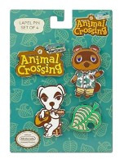 | $9.99 | $399.60 | LONG BEACH CA | link
AANIXXLPZ-0MAIC | AC Icons Pin Set | Nintendo | N/A | 4,400 | 810032805869 | 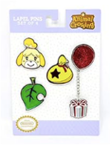 | $7.99 | $35,156.00 | LONG BEACH CA | link
AANIXXLPZ-0MCMW | Animal Crossing Cat's Meow Lapel Pin Set | Nintendo | N/A | 2,512 | 810032808747 | 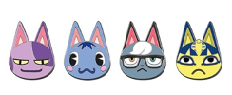 | $9.99 | $25,094.88 | LONG BEACH CA | link
BANIXXSLL-0MCMW | Animal Crossing - Cat's Meow - Nintendo | Nintendo | N/A | 303 | 810032807252 | 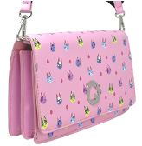 | $19.99 | $6,056.97 | LONG BEACH CA | link
BANIXXSLL-0MABF | Animal Crossing - Able Sister's Floral | Nintendo | N/A | 162 | 810032807498 | 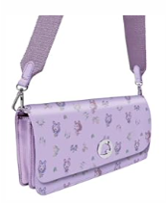 | $19.99 | $3,238.38 | LONG BEACH CA
BANIXXSLL-0MTNT | Animal Crossing - Mint Leaves Nintendo | Nintendo | N/A | 3,168 | 810032809362 | 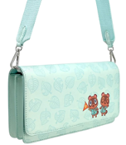 | $19.99 | $63,328.32 | LONG BEACH CA | link
BANIXXSLL-0MAFI | Fruit Icons Sling Bag | Nintendo | N/A | 792 | 810032807283 | 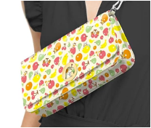 | $19.99 | $15,832.08 | LONG BEACH CA | link
HWNI35AST | Nintendo Snapback Hat Assortment | Nintendo | N/A | 13,490 | #N/A | 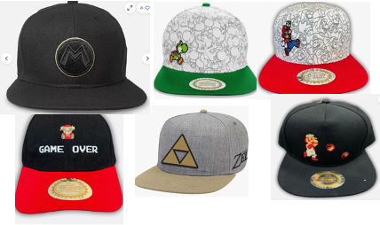 | $24.99 | $337,115.10 | LONG BEACH CA
APNIXX5QP-0MMHV | Super Mario - Heroes/Villains 5-Pack | Nintendo | N/A | 2,064 | 812059037155 | 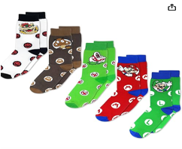 | $9.99 | $20,619.36 | LONG BEACH CA | link
APNIXX3QP-0MKTI | Stripes Mid Crew 3PK | Nintendo | N/A | 240 | 810032806804 | 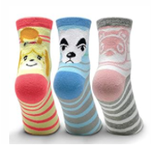 | $6.99 | $1,677.60 | LONG BEACH CA | link
APNIXX3QP-0MRSM | Villagers Mid Crew Socks | Nintendo | N/A | 1,113 | 810032806811 | 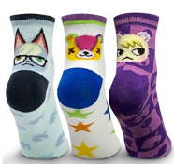 | $6.99 | $7,779.87 | LONG BEACH CA
APNIXX3KP-0MBOM | Bells on My Mind 3PK Ankle Socks | Nintendo | N/A | 990 | 810032806798 |  | $6.99 | $6,920.10 | LONG BEACH CA | link
APNIXX3KP-0MRSM | Villagers 3PK Ankle Socks | Nintendo | N/A | 2,240 | 810032807917 | 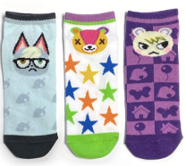 | $6.99 | $15,657.60 | LONG BEACH CA | link
APNI3QAST-TGTMA | Super Mario 35th Anniversary 3-Pair Crew Sock | Nintendo | N/A | 3,384 | 810032804725 | 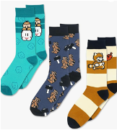 | $6.99 | $23,654.16 | LONG BEACH CA
APNIXX3KP-0MACF | Animal Crossing Friendly Faces 3-Pair | Nintendo | N/A | 2,628 | 810032805135 | 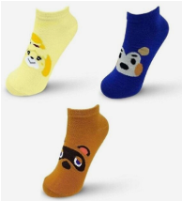 | $6.99 | $18,369.72 | LONG BEACH CA | link
APNIXX3KP-0MCLB | Animal Crossing Local Celebrity 3-Pair | Nintendo | N/A | 1,938 | 810032809515 | 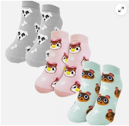 | $6.99 | $13,546.62 | LONG BEACH CA | link
APNIXX3KP-0MACG | Animal Crossing Socks - Getaway Package | Nintendo | N/A | 2,538 | 810032805128 | 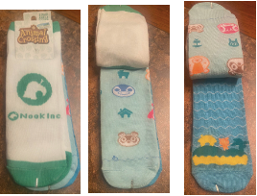 | $6.99 | $17,740.62 | LONG BEACH CA | link
 |  |  |  | 98,751 |  |  |  | $1,376,093.49

